Γραφήματα
Test - Train set performance
 | Sum of F1 Score | Sum of Recall | Sum of Precision | Sum of Accuracy
Test | 359.77303783 | 358.054027 | 386.43112519 | 382.73516386
Train | 359.83137248 | 358.23891563 | 385.38968871 | 382.75083056
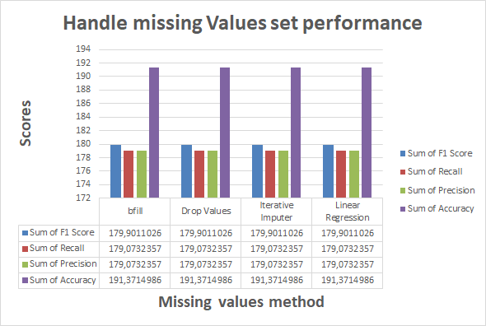

Accuracy - F1 score for every Classifier
 | Sum of F1 Score | Sum of Accuracy
AdaBoost | 80 | 80
KNN | 80 | 80
Naive Bayes | 5.7165481349 | 50.138401765
LDA | 75.075424531 | 76.244945154
MLP Classifier | 80 | 80
SVM | 80 | 80
Decision Tree | 80 | 80
Random Forest | 80 | 80
Logistic Regression | 78.812437649 | 79.102647508
Gradient Boosting | 80 | 80
AdaBoost | 34.620212555
KNN | 52.567798138
Naive Bayes | 0
LDA | 10.645614147
MLP Classifier | 270.82232475
SVM | 27.79434824
Decision Tree | 0.73811292648
Random Forest | 39.907517433
Logistic Regression | 10.748855591
Gradient Boosting | 56.179472923

Accuracy - F1 score for every Classifier
 | Sum of Recall | Sum of Precision
AdaBoost | 80 | 80
KNN | 80 | 80
Naive Bayes | 3.0196699208 | 57.298759973
LDA | 75.086441853 | 75.072256478
MLP Classifier | 80 | 80
SVM | 80 | 80
Decision Tree | 80 | 80
Random Forest | 80 | 80
Logistic Regression | 78.186830859 | 79.449797446
Gradient Boosting | 80 | 80
Accuracy - F1 score for every Classifier
 | Sum of Accuracy | Sum of F1 Score | Sum of Recall | Sum of Precision
 | 80 | 80 | 80 | 80
 | 80 | 80 | 80 | 80
 | 50.138401765 | 5.7165481349 | 3.0196699208 | 57.298759973
 | 76.244945154 | 75.075424531 | 75.086441853 | 75.072256478
 | 80 | 80 | 80 | 80
 | 80 | 80 | 80 | 80
 | 80 | 80 | 80 | 80
 | 80 | 80 | 80 | 80
 | 79.102647508 | 78.812437649 | 78.186830859 | 79.449797446
 | 80 | 80 | 80 | 80

